Table 1

Selected Acquisition Report (SAR)
RCS: DD-A&T(Q&A)823-277
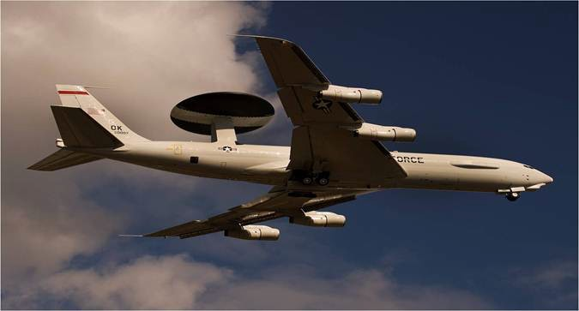
Airborne Warning and Control System Block 40/45 Upgrade (AWACS Blk 40/45 Upgrade)
As of FY 2017 President's Budget
Defense Acquisition Management Information Retrieval
(DAMIR)

Table 24
Unit Cost History
Item |  |  |  |  |  | Date |  |  | BY 2012 $M |  |  |  |  |  |  | TY $M
 |  |  |  |  |  |  |  |  | PAUC |  | APUC |  |  |  |  | PAUC |  |  | APUC

Original APB |  |  | May 2013 |  |  |  |  |  | 91.045 |  |  |  | 48.497 |  |  |  | 90.568 |  |  | 52.110
APB as of January 2006 |  |  | N/A |  |  |  |  |  | N/A |  |  |  | N/A |  |  |  | N/A |  |  | N/A
Revised Original APB |  |  | N/A |  |  |  |  |  | N/A |  |  |  | N/A |  |  |  | N/A |  |  | N/A
Prior APB |  |  | May 2013 |  |  |  |  |  | 91.045 |  |  |  | 48.497 |  |  |  | 90.568 |  |  | 52.110
Current APB |  |  | Oct 2015 |  |  |  |  |  | 110.933 |  |  |  | 57.908 |  |  |  | 110.100 |  |  | 62.354
Prior Annual SAR |  |  | Dec 2014 |  |  |  |  |  | 111.383 |  |  |  | 57.821 |  |  |  | 110.588 |  |  | 62.217
Current Estimate |  |  | Dec 2015 |  |  |  |  |  | 110.633 |  |  |  | 57.583 |  |  |  | 109.371 |  |  | 61.625
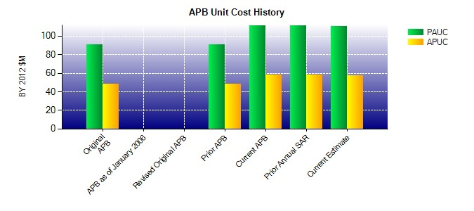
SAR Unit Cost History
Current SAR Baseline to Current Estimate (TY $M)
Initial PAUC Production Estimate | Changes |  |  |  |  |  |  |  |  |  |  |  |  |  |  |  |  | PAUC Current Estimate
 | Econ | Qty |  |  | Sch |  | Eng | Est |  | Oth | Spt |  |  | Total
90.568 -0.308 15.623 -0.912 0.000 4.562 0.000 -0.162 18.803 109.371
Current SAR Baseline to Current Estimate (TY $M)
Initial APUC Production Estimate | Changes |  |  |  |  |  |  |  |  |  |  |  |  |  |  |  |  | APUC Current Estimate
 | Econ | Qty |  | Sch |  |  | Eng | Est |  | Oth |  | Spt |  |  | Total
52.110 -0.317 4.407 -0.217 0.000 5.804 0.000 -0.162 9.515 61.625

